1 meter
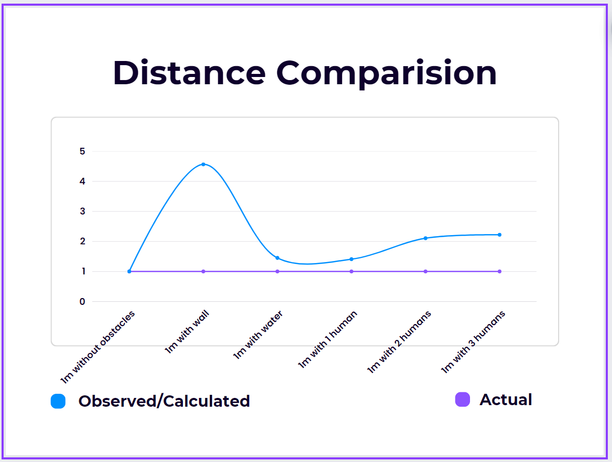
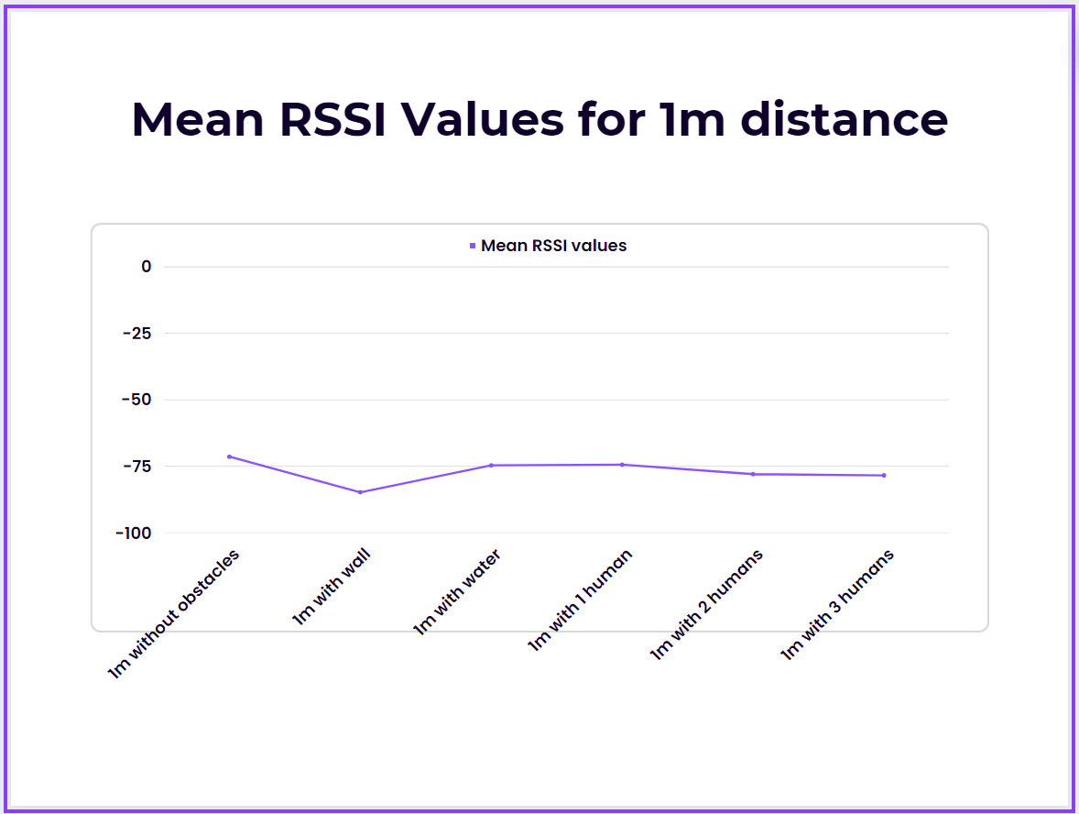
1M WITHOUT OBSTACLE |  | 1M WITH WATER BOTTLE |  | 1M WITH WALL |  | 1M WITH 1 HUMAN |  | 1M WITH 2 HUMANS |  | 1M WITH 3 HUMANS

BLE Scanner Chart Data |  | BLE Scanner Chart Data |  | BLE Scanner Chart Data |  | BLE Scanner Chart Data |  | BLE Scanner Chart Data |  | BLE Scanner Chart Data

Device Name | 6group | Device Name | 6group | Device Name | 6group | Device Name | 6group | Device Name | 6group | Device Name | 6group
Mac Address | 30:AE:A4:BB:4D:82 | Mac Address | 30:AE:A4:BB:4D:82 | Mac Address | 30:AE:A4:BB:4D:82 | Mac Address | 30:AE:A4:BB:4D:82 | Mac Address | 30:AE:A4:BB:4D:82 | Mac Address | 30:AE:A4:BB:4D:82

Time | RSSI | Time | RSSI | Time | RSSI | Time | RSSI | Time | RSSI | Time | RSSI
25-04-2023 19:40:46:063 | -74 | 25-04-2023 19:33:42:771 | -88 | 25-04-2023 20:08:35:073 | -84 | 25-04-2023 19:36:27:509 | -72 | 25-04-2023 19:38:01:719 | -74 | 25-04-2023 19:39:11:864 | -77
25-04-2023 19:40:48:050 | -70 | 25-04-2023 19:33:44:775 | -80 | 25-04-2023 20:08:37:077 | -83 | 25-04-2023 19:36:29:509 | -72 | 25-04-2023 19:38:03:721 | -79 | 25-04-2023 19:39:13:862 | -79
25-04-2023 19:40:50:047 | -73 | 25-04-2023 19:33:46:785 | -77 | 25-04-2023 20:08:39:078 | -88 | 25-04-2023 19:36:31:508 | -71 | 25-04-2023 19:38:05:720 | -74 | 25-04-2023 19:39:15:862 | -73
25-04-2023 19:40:52:051 | -73 | 25-04-2023 19:33:48:776 | -76 | 25-04-2023 20:08:41:080 | -84 | 25-04-2023 19:36:33:509 | -70 | 25-04-2023 19:38:07:721 | -76 | 25-04-2023 19:39:17:863 | -79
25-04-2023 19:40:54:051 | -68 | 25-04-2023 19:33:50:776 | -72 | 25-04-2023 20:08:43:080 | -84 | 25-04-2023 19:36:35:505 | -71 | 25-04-2023 19:38:09:723 | -80 | 25-04-2023 19:39:19:865 | -85
25-04-2023 19:40:56:055 | -68 | 25-04-2023 19:33:52:775 | -71 | 25-04-2023 20:08:45:082 | -82 | 25-04-2023 19:36:37:504 | -72 | 25-04-2023 19:38:11:725 | -81 | 25-04-2023 19:39:21:865 | -78
25-04-2023 19:40:58:051 | -73 | 25-04-2023 19:33:54:772 | -83 | 25-04-2023 20:08:47:093 | -82 | 25-04-2023 19:36:39:512 | -73 | 25-04-2023 19:38:13:722 | -75 | 25-04-2023 19:39:23:871 | -76
25-04-2023 19:41:00:054 | -72 | 25-04-2023 19:33:56:776 | -70 | 25-04-2023 20:08:49:083 | -85 | 25-04-2023 19:36:41:508 | -72 | 25-04-2023 19:38:15:723 | -84 | 25-04-2023 19:39:25:869 | -77
25-04-2023 19:41:02:058 | -69 | 25-04-2023 19:33:58:772 | -70 | 25-04-2023 20:08:51:084 | -79 | 25-04-2023 19:36:43:511 | -73 | 25-04-2023 19:38:17:724 | -83 | 25-04-2023 19:39:27:887 | -80
25-04-2023 19:41:04:058 | -74 | 25-04-2023 19:34:00:775 | -75 | 25-04-2023 20:08:53:084 | -85 | 25-04-2023 19:36:45:511 | -72 | 25-04-2023 19:38:19:725 | -71 | 25-04-2023 19:39:29:893 | -72
25-04-2023 19:41:06:066 | -72 | 25-04-2023 19:34:02:778 | -79 | 25-04-2023 20:08:55:091 | -86 | 25-04-2023 19:36:47:516 | -75 | 25-04-2023 19:38:21:724 | -74 | 25-04-2023 19:39:31:869 | -82
25-04-2023 19:41:08:057 | -71 | 25-04-2023 19:34:04:779 | -70 | 25-04-2023 20:08:57:098 | -84 | 25-04-2023 19:36:49:515 | -75 | 25-04-2023 19:38:23:728 | -85 | 25-04-2023 19:39:33:870 | -79
25-04-2023 19:41:10:057 | -72 | 25-04-2023 19:34:06:778 | -70 | 25-04-2023 20:08:59:085 | -83 | 25-04-2023 19:36:51:513 | -75 | 25-04-2023 19:38:25:746 | -82 | 25-04-2023 19:39:35:870 | -86
25-04-2023 19:41:12:057 | -72 | 25-04-2023 19:34:08:777 | -79 | 25-04-2023 20:09:01:085 | -73 | 25-04-2023 19:36:53:515 | -79 | 25-04-2023 19:38:27:732 | -74 | 25-04-2023 19:39:37:872 | -86
25-04-2023 19:41:14:060 | -72 | 25-04-2023 19:34:10:779 | -70 | 25-04-2023 20:09:03:089 | -89 | 25-04-2023 19:36:55:520 | -74 | 25-04-2023 19:38:29:742 | -82 | 25-04-2023 19:39:39:872 | -77
25-04-2023 19:41:16:058 | -70 | 25-04-2023 19:34:12:781 | -70 | 25-04-2023 20:09:05:085 | -84 | 25-04-2023 19:36:57:519 | -73 | 25-04-2023 19:38:31:728 | -83 | 25-04-2023 19:39:41:874 | -79
25-04-2023 19:41:18:061 | -73 | 25-04-2023 19:34:14:781 | -80 | 25-04-2023 20:09:07:088 | -84 | 25-04-2023 19:36:59:518 | -81 | 25-04-2023 19:38:33:732 | -71 | 25-04-2023 19:39:43:872 | -74
25-04-2023 19:41:20:066 | -73 | 25-04-2023 19:34:16:782 | -79 | 25-04-2023 20:09:09:091 | -88 | 25-04-2023 19:37:01:519 | -81 | 25-04-2023 19:38:35:729 | -74 | 25-04-2023 19:39:45:871 | -78
25-04-2023 19:41:22:061 | -70 | 25-04-2023 19:34:18:780 | -70 | 25-04-2023 20:09:11:094 | -82 | 25-04-2023 19:37:03:522 | -78 | 25-04-2023 19:38:37:726 | -78 | 25-04-2023 19:39:47:872 | -79
25-04-2023 19:41:24:063 | -69 | 25-04-2023 19:34:20:781 | -70 | 25-04-2023 20:09:13:103 | -88 | 25-04-2023 19:37:05:518 | -76 | 25-04-2023 19:38:39:749 | -83 | 25-04-2023 19:39:49:875 | -77
25-04-2023 19:41:26:064 | -71 | 25-04-2023 19:34:22:796 | -80 | 25-04-2023 20:09:15:091 | -87 | 25-04-2023 19:37:07:522 | -76 | 25-04-2023 19:38:41:734 | -74 | 25-04-2023 19:39:51:875 | -75
mean | -71.380952381 | 25-04-2023 19:34:24:786 | -70 | 25-04-2023 20:09:17:092 | -88 | 25-04-2023 19:37:09:524 | -76 | mean | -77.952380952 | 25-04-2023 19:39:53:875 | -78
Std Dev | 1.8567765206 | 25-04-2023 19:34:26:787 | -71 | 25-04-2023 20:09:19:101 | -91 | 25-04-2023 19:37:11:525 | -76 | std dev | 4.5439651239 | 25-04-2023 19:39:55:876 | -77
 |  | 25-04-2023 19:34:28:783 | -79 | 25-04-2023 20:09:21:105 | -88 | 25-04-2023 19:37:13:523 | -76 |  |  | 25-04-2023 19:39:57:873 | -74
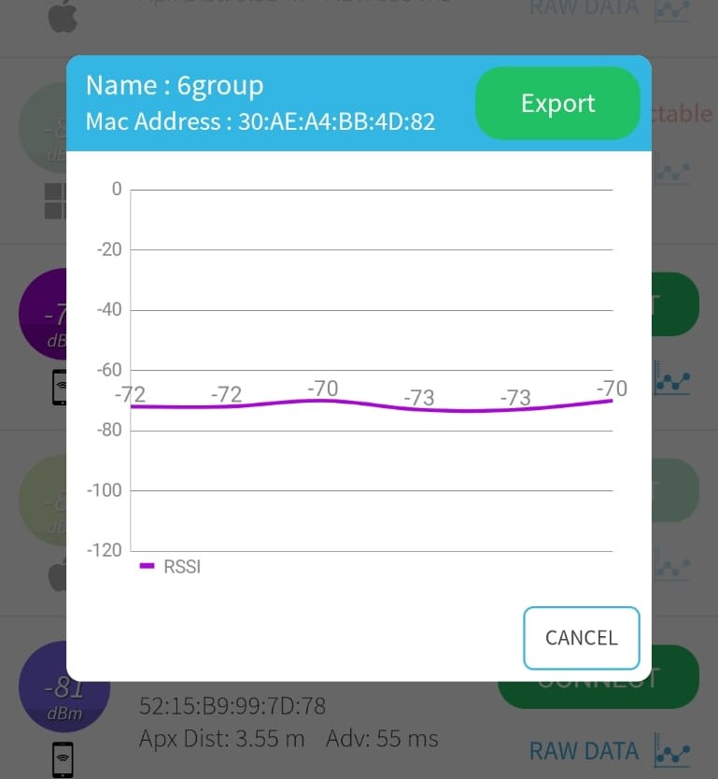
 |  | 25-04-2023 19:34:30:796 | -80 | 25-04-2023 20:09:23:093 | -87 | 25-04-2023 19:37:15:529 | -76 |  |  | 25-04-2023 19:39:59:877 | -76
 |  | 25-04-2023 19:34:32:784 | -70 | 25-04-2023 20:09:25:096 | -87 | 25-04-2023 19:37:17:530 | -71 |  |  | 25-04-2023 19:40:01:876 | -87
 |  | 25-04-2023 19:34:34:782 | -70 | 25-04-2023 20:09:27:099 | -84 | 25-04-2023 19:37:19:532 | -74 |  |  | 25-04-2023 19:40:03:877 | -81
 |  | 25-04-2023 19:34:36:792 | -76 | 25-04-2023 20:09:29:095 | -85 | 25-04-2023 19:37:21:524 | -75 |  |  | 25-04-2023 19:40:05:880 | -80
 |  | 25-04-2023 19:34:38:789 | -70 | 25-04-2023 20:09:31:098 | -86 | 25-04-2023 19:37:23:531 | -73 |  |  | 25-04-2023 19:40:07:878 | -83
 |  | mean | -74.655172414 | 25-04-2023 20:09:33:101 | -84 | 25-04-2023 19:37:25:530 | -74 |  |  | 25-04-2023 19:40:09:885 | -76
 |  | std dev | 5.1427887242 | 25-04-2023 20:09:35:101 | -86 | mean | -74.4 |  |  | 25-04-2023 19:40:11:881 | -80
 |  |  |  | 25-04-2023 20:09:37:100 | -84 | std dev | 2.8113072183 |  |  | 25-04-2023 19:40:13:882 | -79
 |  |  |  | 25-04-2023 20:09:39:118 | -85 |  |  |  |  | 25-04-2023 19:40:15:880 | -77
 |  |  |  | 25-04-2023 20:09:41:107 | -86 |  |  |  |  | 25-04-2023 19:40:17:882 | -76
 |  |  |  | 25-04-2023 20:09:43:110 | -89 |  |  |  |  | 25-04-2023 19:40:19:884 | -73
 |  |  |  | 25-04-2023 20:09:45:101 | -84 |  |  |  |  | mean | -78.428571429
 |  |  |  | 25-04-2023 20:09:47:105 | -87 |  |  |  |  | std dev | 3.7123459705
 |  |  |  | 25-04-2023 20:09:49:104 | -86
 |  |  |  | 25-04-2023 20:09:51:104 | -85
 |  |  |  | 25-04-2023 20:09:53:106 | -88
 |  |  |  | 25-04-2023 20:09:55:108 | -76
 |  |  |  | 25-04-2023 20:09:57:110 | -83
 |  |  |  | 25-04-2023 20:09:59:111 | -86
 |  |  |  | 25-04-2023 20:10:01:122 | -85
 |  |  |  | 25-04-2023 20:10:03:112 | -85
 |  |  |  | 25-04-2023 20:10:05:109 | -88
 |  |  |  | 25-04-2023 20:10:07:113 | -82
 |  |  |  | 25-04-2023 20:10:09:109 | -84
 |  |  |  | 25-04-2023 20:10:11:124 | -83
 |  |  |  | 25-04-2023 20:10:13:118 | -89
 |  |  |  | 25-04-2023 20:10:15:114 | -77
 |  |  |  | 25-04-2023 20:10:17:112 | -84
 |  |  |  | 25-04-2023 20:10:19:115 | -86
 |  |  |  | 25-04-2023 20:10:21:117 | -86
 |  |  |  | 25-04-2023 20:10:23:114 | -82
 |  |  |  | 25-04-2023 20:10:25:113 | -88
 |  |  |  | Mean | -84.785714286
 |  |  |  | std dev | 3.2345537037

3 meters
3M WITHOUT OBSTACLE |  | 3M WITH WATER BOTTLE |  | 3M WITH WALL |  | 3M WITH 1 HUMAN |  | 3M WITH 2 HUMANS |  | 3M WITH 3 HUMANS

BLE Scanner Chart Data |  | BLE Scanner Chart Data |  | BLE Scanner Chart Data |  | BLE Scanner Chart Data |  | BLE Scanner Chart Data |  | BLE Scanner Chart Data

Device Name | 6group | Device Name | 6group | Device Name | 6group | Device Name | 6group | Device Name | 6group | Device Name | 6group
Mac Address | 30:AE:A4:BB:4D:82 | Mac Address | 30:AE:A4:BB:4D:82 | Mac Address | 30:AE:A4:BB:4D:82 | Mac Address | 30:AE:A4:BB:4D:82 | Mac Address | 30:AE:A4:BB:4D:82 | Mac Address | 30:AE:A4:BB:4D:82

Time | RSSI | Time | RSSI | Time | RSSI | Time | RSSI | Time | RSSI | Time | RSSI
25-04-2023 19:54:18:808 | -79 | 25-04-2023 19:57:21:515 | -89 | 25-04-2023 20:06:20:720 | -83 | 25-04-2023 19:50:32:056 | -81 | 25-04-2023 19:51:44:332 | -87 | 25-04-2023 19:52:54:487 | -94
25-04-2023 19:54:20:830 | -82 | 25-04-2023 19:57:23:469 | -85 | 25-04-2023 20:06:22:728 | -88 | 25-04-2023 19:50:34:055 | -89 | 25-04-2023 19:51:46:336 | -95 | 25-04-2023 19:52:56:490 | -94
25-04-2023 19:54:22:815 | -76 | 25-04-2023 19:57:25:466 | -78 | 25-04-2023 20:06:24:722 | -86 | 25-04-2023 19:50:36:067 | -93 | 25-04-2023 19:51:48:335 | -83 | 25-04-2023 19:52:58:488 | -85
25-04-2023 19:54:24:813 | -79 | 25-04-2023 19:57:27:465 | -88 | 25-04-2023 20:06:26:726 | -93 | 25-04-2023 19:50:38:061 | -87 | 25-04-2023 19:51:50:338 | -89 | 25-04-2023 19:53:00:493 | -84
25-04-2023 19:54:26:814 | -82 | 25-04-2023 19:57:29:465 | -85 | 25-04-2023 20:06:28:724 | -85 | 25-04-2023 19:50:40:060 | -83 | 25-04-2023 19:51:52:339 | -89 | 25-04-2023 19:53:02:487 | -94
25-04-2023 19:54:28:810 | -80 | 25-04-2023 19:57:31:468 | -83 | 25-04-2023 20:06:30:739 | -94 | 25-04-2023 19:50:42:067 | -87 | 25-04-2023 19:51:54:340 | -96 | 25-04-2023 19:53:04:488 | -91
25-04-2023 19:54:30:812 | -78 | 25-04-2023 19:57:33:469 | -79 | 25-04-2023 20:06:32:727 | -89 | 25-04-2023 19:50:44:070 | -92 | 25-04-2023 19:51:56:339 | -91 | 25-04-2023 19:53:06:497 | -84
25-04-2023 19:54:32:811 | -81 | 25-04-2023 19:57:35:470 | -85 | 25-04-2023 20:06:34:731 | -84 | 25-04-2023 19:50:46:066 | -81 | 25-04-2023 19:51:58:345 | -85 | 25-04-2023 19:53:08:490 | -86
25-04-2023 19:54:34:818 | -82 | 25-04-2023 19:57:37:469 | -87 | 25-04-2023 20:06:36:729 | -89 | 25-04-2023 19:50:48:071 | -81 | 25-04-2023 19:52:00:340 | -92 | 25-04-2023 19:53:10:492 | -88
25-04-2023 19:54:36:814 | -83 | 25-04-2023 19:57:39:470 | -84 | 25-04-2023 20:06:38:745 | -84 | 25-04-2023 19:50:50:068 | -83 | 25-04-2023 19:52:02:344 | -81 | 25-04-2023 19:53:12:494 | -85
25-04-2023 19:54:38:816 | -79 | 25-04-2023 19:57:41:469 | -85 | 25-04-2023 20:06:40:739 | -82 | 25-04-2023 19:50:52:075 | -85 | 25-04-2023 19:52:04:345 | -78 | 25-04-2023 19:53:14:495 | -90
25-04-2023 19:54:40:814 | -80 | 25-04-2023 19:57:43:471 | -87 | 25-04-2023 20:06:42:730 | -84 | 25-04-2023 19:50:54:076 | -86 | 25-04-2023 19:52:06:347 | -88 | 25-04-2023 19:53:16:496 | -85
25-04-2023 19:54:42:815 | -79 | 25-04-2023 19:57:45:472 | -78 | 25-04-2023 20:06:44:731 | -88 | 25-04-2023 19:50:56:067 | -92 | 25-04-2023 19:52:08:348 | -89 | 25-04-2023 19:53:18:493 | -88
25-04-2023 19:54:44:822 | -79 | 25-04-2023 19:57:47:475 | -78 | 25-04-2023 20:06:46:736 | -85 | 25-04-2023 19:50:58:095 | -91 | 25-04-2023 19:52:10:346 | -83 | 25-04-2023 19:53:20:504 | -87
25-04-2023 19:54:46:820 | -80 | 25-04-2023 19:57:49:473 | -84 | 25-04-2023 20:06:48:735 | -88 | 25-04-2023 19:51:00:071 | -88 | 25-04-2023 19:52:12:347 | -88 | 25-04-2023 19:53:22:496 | -89
25-04-2023 19:54:48:818 | -79 | 25-04-2023 19:57:51:475 | -85 | 25-04-2023 20:06:50:730 | -91 | 25-04-2023 19:51:02:073 | -82 | 25-04-2023 19:52:14:348 | -88 | 25-04-2023 19:53:24:499 | -87
25-04-2023 19:54:50:820 | -76 | 25-04-2023 19:57:53:473 | -79 | 25-04-2023 20:06:52:734 | -82 | 25-04-2023 19:51:04:088 | -89 | 25-04-2023 19:52:16:352 | -81 | 25-04-2023 19:53:26:500 | -89
25-04-2023 19:54:52:818 | -84 | 25-04-2023 19:57:55:474 | -85 | 25-04-2023 20:06:54:744 | -85 | 25-04-2023 19:51:06:072 | -81 | 25-04-2023 19:52:18:349 | -85 | 25-04-2023 19:53:28:498 | -93
25-04-2023 19:54:54:821 | -83 | 25-04-2023 19:57:57:492 | -86 | 25-04-2023 20:06:56:737 | -84 | 25-04-2023 19:51:08:072 | -85 | 25-04-2023 19:52:20:349 | -89 | 25-04-2023 19:53:30:501 | -90
25-04-2023 19:54:56:823 | -76 | 25-04-2023 19:57:59:490 | -82 | 25-04-2023 20:06:58:737 | -92 | 25-04-2023 19:51:10:075 | -89 | 25-04-2023 19:52:22:350 | -94 | 25-04-2023 19:53:32:502 | -87
25-04-2023 19:54:58:823 | -74 | 25-04-2023 19:58:01:477 | -79 | 25-04-2023 20:07:00:734 | -89 | mean | -86.25 | 25-04-2023 19:52:24:354 | -82 | 25-04-2023 19:53:34:508 | -85
25-04-2023 19:55:00:824 | -86 | 25-04-2023 19:58:03:477 | -85 | 25-04-2023 20:07:02:755 | -86 | std dev | 4.0636385044 | 25-04-2023 19:52:26:353 | -87 | 25-04-2023 19:53:36:504 | -86
25-04-2023 19:55:02:826 | -90 | 25-04-2023 19:58:05:479 | -85 | 25-04-2023 20:07:04:747 | -87 |  |  | 25-04-2023 19:52:28:350 | -93 | 25-04-2023 19:53:38:506 | -82
25-04-2023 19:55:04:826 | -78 | 25-04-2023 19:58:07:483 | -76 | 25-04-2023 20:07:06:737 | -82 |  |  | 25-04-2023 19:52:30:355 | -88 | 25-04-2023 19:53:40:499 | -87
25-04-2023 19:55:06:827 | -76 | 25-04-2023 19:58:09:486 | -84 | 25-04-2023 20:07:08:738 | -85 |  |  | mean | -87.541666667 | 25-04-2023 19:53:42:504 | -92
25-04-2023 19:55:08:827 | -83 | 25-04-2023 19:58:11:481 | -84 | 25-04-2023 20:07:10:741 | -83 |  |  | std dev | 4.6716458944 | 25-04-2023 19:53:44:504 | -89
25-04-2023 19:55:10:829 | -81 | 25-04-2023 19:58:13:487 | -81 | mean | -86.461538462 |  |  |  |  | mean | -88.115384615
25-04-2023 19:55:12:850 | -76 | 25-04-2023 19:58:15:486 | -82 | std dev | 3.4319763313 |  |  |  |  | std dev | 3.3743375418
25-04-2023 19:55:14:828 | -84 | 25-04-2023 19:58:17:485 | -86
25-04-2023 19:55:16:826 | -83 | 25-04-2023 19:58:19:486 | -90
25-04-2023 19:55:18:827 | -76 | 25-04-2023 19:58:21:488 | -88
25-04-2023 19:55:20:829 | -82 | 25-04-2023 19:58:23:488 | -92
25-04-2023 19:55:22:833 | -85 | 25-04-2023 19:58:25:492 | -87
25-04-2023 19:55:24:834 | -82 | 25-04-2023 19:58:27:487 | -83
25-04-2023 19:55:26:830 | -77 | 25-04-2023 19:58:29:490 | -81
25-04-2023 19:55:28:832 | -85 | 25-04-2023 19:58:31:492 | -90
25-04-2023 19:55:30:831 | -88 | 25-04-2023 19:58:33:494 | -87
25-04-2023 19:55:32:836 | -86 | 25-04-2023 19:58:35:490 | -79
25-04-2023 19:55:34:832 | -83 | 25-04-2023 19:58:37:492 | -84
25-04-2023 19:55:36:836 | -88 | 25-04-2023 19:58:39:489 | -87
25-04-2023 19:55:38:834 | -89 | 25-04-2023 19:58:41:495 | -79
25-04-2023 19:55:40:835 | -83 | 25-04-2023 19:58:43:488 | -81
25-04-2023 19:55:42:833 | -84 | 25-04-2023 19:58:45:490 | -90
25-04-2023 19:55:44:836 | -82 | 25-04-2023 19:58:47:512 | -85
25-04-2023 19:55:46:838 | -77 | 25-04-2023 19:58:49:496 | -82
25-04-2023 19:55:48:841 | -82 | 25-04-2023 19:58:51:496 | -87
25-04-2023 19:55:50:838 | -81 | mean | -84.043478261
25-04-2023 19:55:52:845 | -80 | std dev | 3.7650823909
25-04-2023 19:55:54:840 | -81
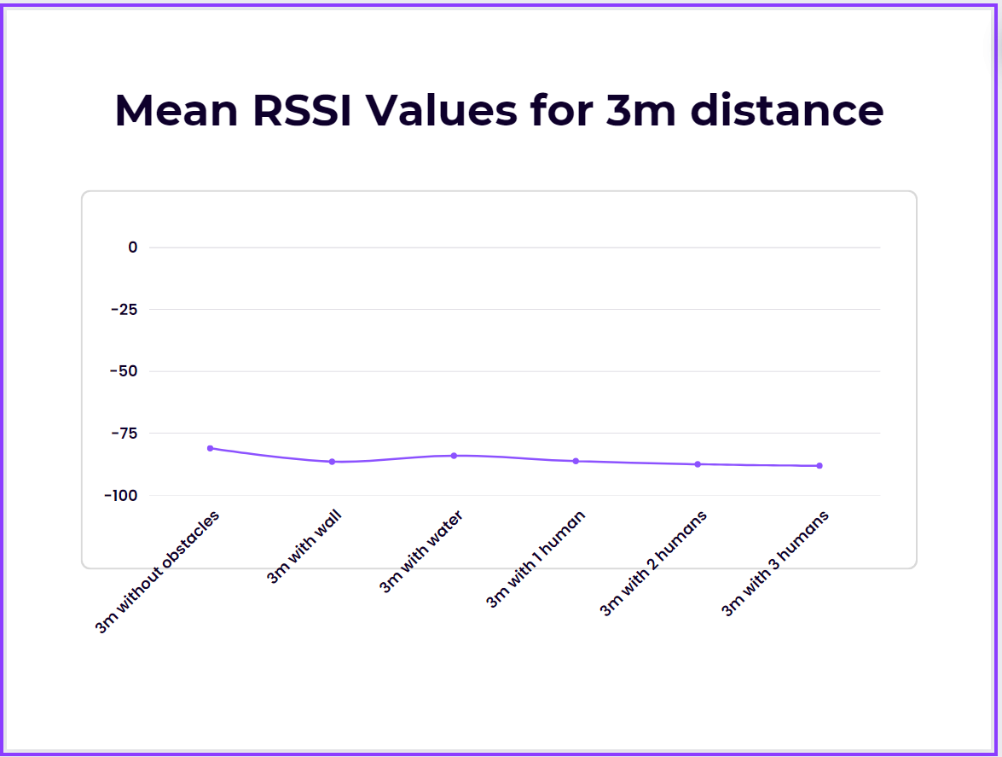
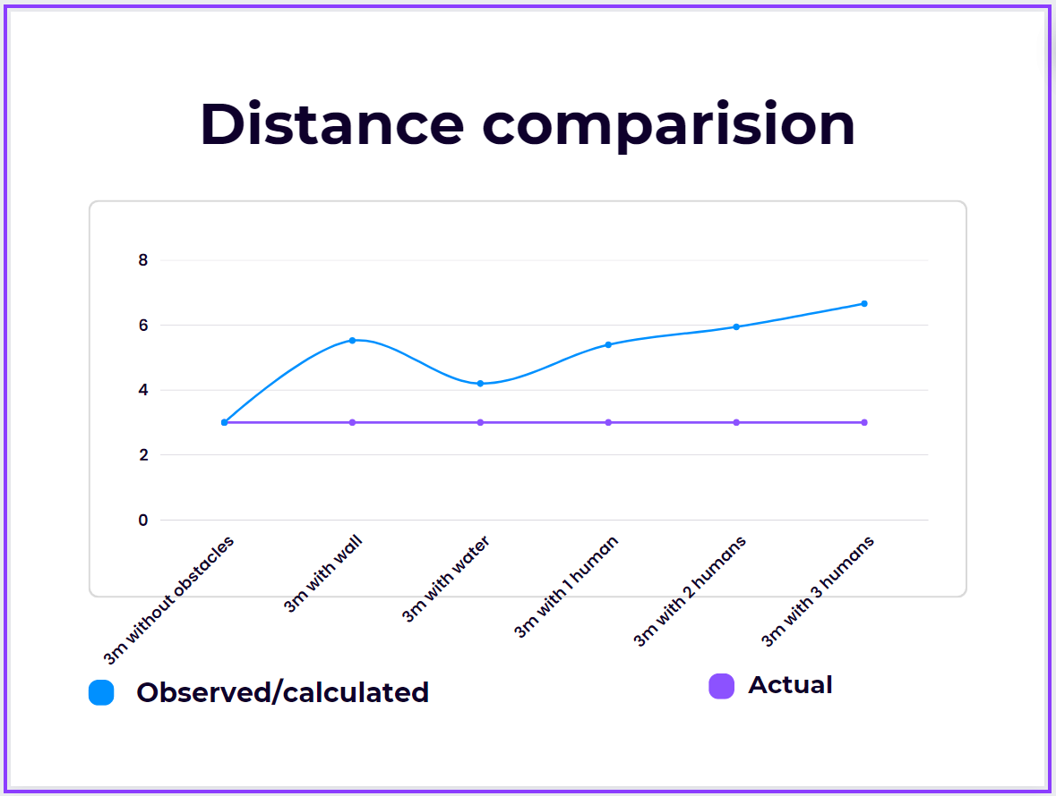
25-04-2023 19:55:56:837 | -81
25-04-2023 19:55:58:840 | -81
25-04-2023 19:56:00:846 | -75
mean | -81.076923077
std dev | 3.6933759139

